Math
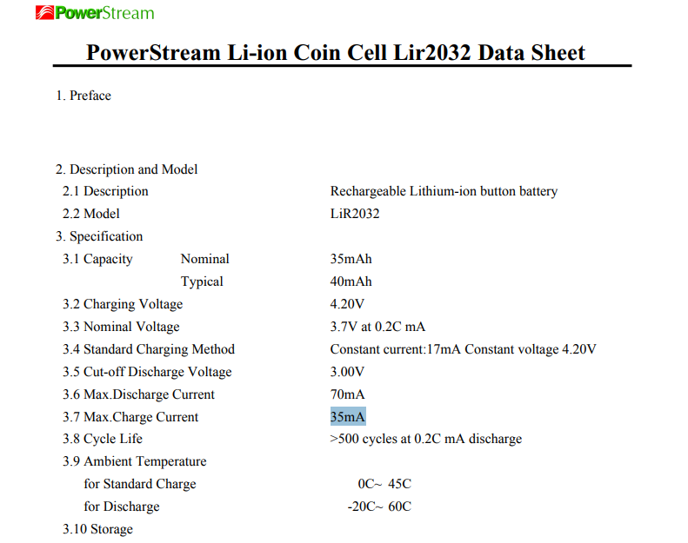
Programming Resistor |  |  |  | LIR2032:
Item | Value | Units
R_Prog | 50.5 | kOhm
I_Reg | 19.801980198 | mA | beneath the 35mA max charge current
Capacity | 40 | mAh
time to full | 2.02 | hours

Voltage Ladder Part 1 - finding Resistances at Max charge
Item | Value | Units
Current | 0.01 | mA
R_TOT | 420 | kOhms
V1 | 4.2 | V
V2 | 3 | V
GROUND | 0 | V
R1 | 120 | kOhms
R2 | 300 | kOhms

TTD | 4000
 | 166.66666667

Voltage Ladder Part 2 - Finding voltages at Min charge
Item | Value | Units
Current | 0.01 | mA
R_TOT | 420 | kOhms
R1 | 120 | kOhms
R2 | 300 | kOhms
V1 | 3 | V
V2 | 1.8 | V
GROUND | 0 | V

 |  |  |  | MCP73832T-2ACI_OT
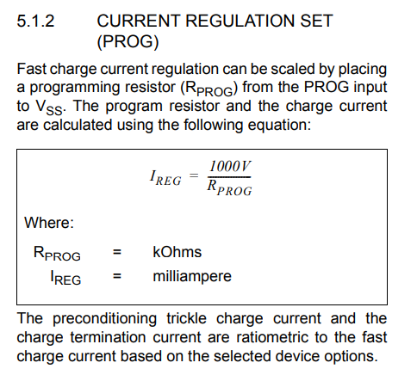

Voltage Ladder Part 3 - Finding voltages at random charge
Item | Value | Units
Current | 0.01 | mA
R_TOT | 420 | kOhms
R1 | 120 | kOhms
R2 | 300 | kOhms
V1 | 4.08 | V
GROUND | 0 | V
V2 | 2.88 | V

